Sheet1
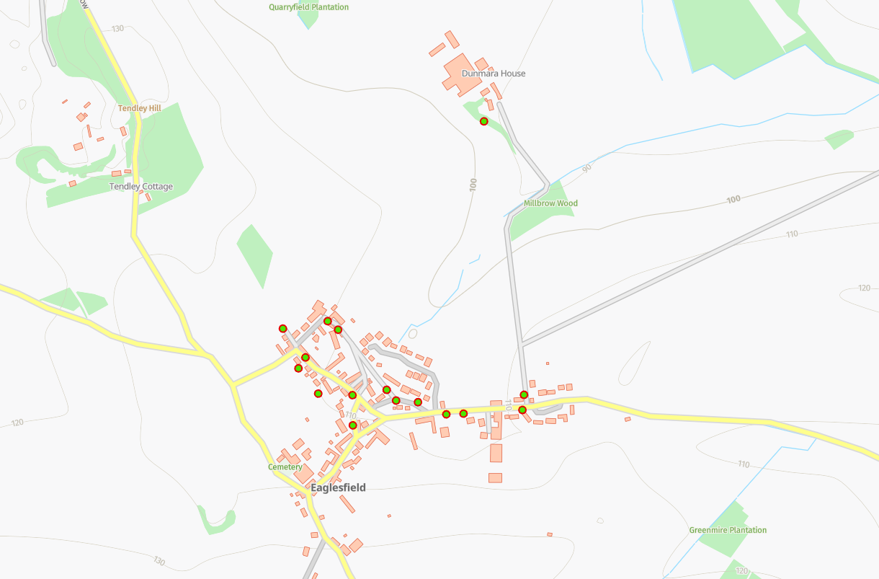
Status | Address | Feed Type | Surface | Pole Height | Pole Type | Owner | Latitude | Longitude | Easting | Northing
PLANNED | Eaglesfield Village Hall, Eaglesfield, CA13 0RN | OH | Grass | 9 | Medium | Fibrus | 54.6405041°N | -3.3971425°W | 309928 | 528162
PLANNED | Eaglesfield Village Hall, Eaglesfield, CA13 0RN | OH | Grass | 9 | Medium | Fibrus | 54.6400887°N | -3.3996945°W | 309762 | 528119
PLANNED | Eaglesfield Village Hall, Eaglesfield, CA13 0RN | OH | Grass | 9 | Medium | Fibrus | 54.6401096°N | -3.3990775°W | 309802 | 528121
PLANNED | Eaglesfield Village Hall, Eaglesfield, CA13 0RN | OH | FW Tarmac | 9 | Medium | Fibrus | 54.6402007°N | -3.3971559°W | 309926 | 528128
PLANNED | Eaglesfield Village Hall, Eaglesfield, CA13 0RN | UG | Grass | 9 | Medium | Fibrus | 54.6416381°N | -3.4051419°W | 309414 | 528299
PLANNED | Eaglesfield Village Hall, Eaglesfield, CA13 0RN | UG | Grass | 9 | Medium | Fibrus | 54.6408862°N | -3.4046170°W | 309446 | 528214
PLANNED | Eaglesfield Village Hall, Eaglesfield, CA13 0RN | UG | Grass | 9 | Medium | Fibrus | 54.6403980°N | -3.4039348°W | 309489 | 528159
PLANNED | Eaglesfield Village Hall, Eaglesfield, CA13 0RN | UG | Grass | 9 | Medium | Fibrus | 54.6404255°N | -3.4027477°W | 309566 | 528161
PLANNED | Eaglesfield Village Hall, Eaglesfield, CA13 0RN | UG | Grass | 9 | Medium | Fibrus | 54.6398469°N | -3.4027277°W | 309566 | 528096
PLANNED | Eaglesfield Village Hall, Eaglesfield, CA13 0RN | UG | FW Tarmac | 9 | Medium | Fibrus | 54.6410959°N | -3.4043628°W | 309463 | 528237
PLANNED | Eaglesfield Village Hall, Eaglesfield, CA13 0RN | UG | Grass | 9 | Medium | Fibrus | 54.6403038°N | -3.4005915°W | 309705 | 528144
PLANNED | Eaglesfield Village Hall, Eaglesfield, CA13 0RN | OH | Grass | 9 | Medium | Fibrus | 54.6403194°N | -3.4013476°W | 309656 | 528147
PLANNED | Eaglesfield Village Hall, Eaglesfield, CA13 0RN | OH | Grass | 9 | Medium | Fibrus | 54.6405350°N | -3.4016488°W | 309637 | 528171
PLANNED | Eaglesfield Village Hall, Eaglesfield, CA13 0RN | UG | Grass | 9 | Medium | Fibrus | 54.6418358°N | -3.4036120°W | 309513 | 528319
PLANNED | Eaglesfield Village Hall, Eaglesfield, CA13 0RN | UG | Grass | 10 | Medium | Fibrus | 54.6416448°N | -3.4032894°W | 309534 | 528297
PLANNED | Eaglesfield Village Hall, Eaglesfield, CA13 0RN | UG | Grass | 9 | Medium | Fibrus | 54.6456918°N | -3.3985998°W | 309845 | 528741

