Sheet1
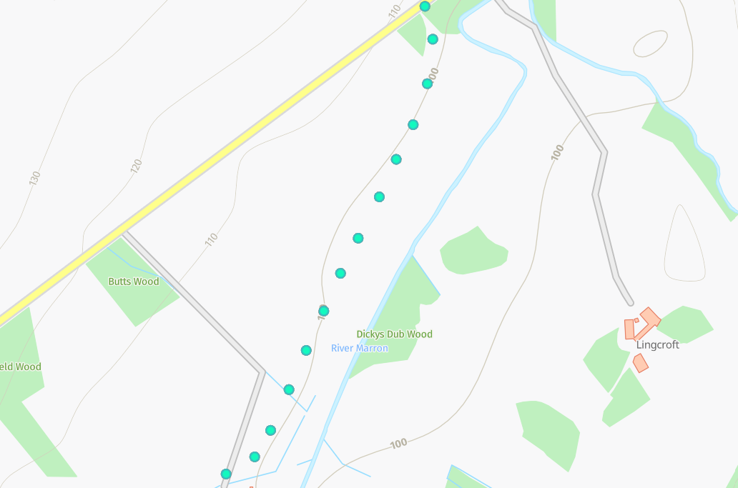
Status | Address | Feed Type | Surface | Pole Height | Pole Type | Owner | Latitude | Longitude | Easting | Northing
PLANNED | Whitekeld Farm, Ullock, CA14 4RJ | OH | Grass | 9 | Medium | Fibrus | 54.5969803°N | -3.4343037°W | 307431 | 523368
PLANNED | Whitekeld Farm, Ullock, CA14 4RJ | OH | Grass | 9 | Medium | Fibrus | 54.5965996°N | -3.4340118°W | 307449 | 523325
PLANNED | Whitekeld Farm, Ullock, CA14 4RJ | OH | Grass | 9 | Medium | Fibrus | 54.5960915°N | -3.4342376°W | 307433 | 523269
PLANNED | Whitekeld Farm, Ullock, CA14 4RJ | OH | Grass | 9 | Medium | Fibrus | 54.5955829°N | -3.4344983°W | 307415 | 523213
PLANNED | Whitekeld Farm, Ullock, CA14 4RJ | OH | Grass | 9 | Medium | Fibrus | 54.5951952°N | -3.4347981°W | 307395 | 523170
PLANNED | Whitekeld Farm, Ullock, CA14 4RJ | OH | Grass | 9 | Medium | Fibrus | 54.5946248°N | -3.4351610°W | 307370 | 523107
PLANNED | Whitekeld Farm, Ullock, CA14 4RJ | OH | Grass | 9 | Medium | Fibrus | 54.5942548°N | -3.4356703°W | 307336 | 523067
PLANNED | Whitekeld Farm, Ullock, CA14 4RJ | OH | Grass | 9 | Medium | Fibrus | 54.5938473°N | -3.4359345°W | 307318 | 523022
PLANNED | Whitekeld Farm, Ullock, CA14 4RJ | OH | Grass | 9 | Medium | Fibrus | 54.5934613°N | -3.4360950°W | 307307 | 522979
PLANNED | Whitekeld Farm, Ullock, CA14 4RJ | OH | Grass | 9 | Medium | Fibrus | 54.5929502°N | -3.4365645°W | 307275 | 522923
PLANNED | Whitekeld Farm, Ullock, CA14 4RJ | OH | Grass | 9 | Medium | Fibrus | 54.5924021°N | -3.4367541°W | 307262 | 522862
PLANNED | Whitekeld Farm, Ullock, CA14 4RJ | OH | Grass | 9 | Medium | Fibrus | 54.5920317°N | -3.4372982°W | 307226 | 522821
PLANNED | Whitekeld Farm, Ullock, CA14 4RJ | OH | Grass | 9 | Medium | Fibrus | 54.5917261°N | -3.4374963°W | 307212 | 522788
PLANNED | Whitekeld Farm, Ullock, CA14 4RJ | OH | Grass | 9 | Medium | Fibrus | 54.5916782°N | -3.4381213°W | 307172 | 522783

