Sheet1
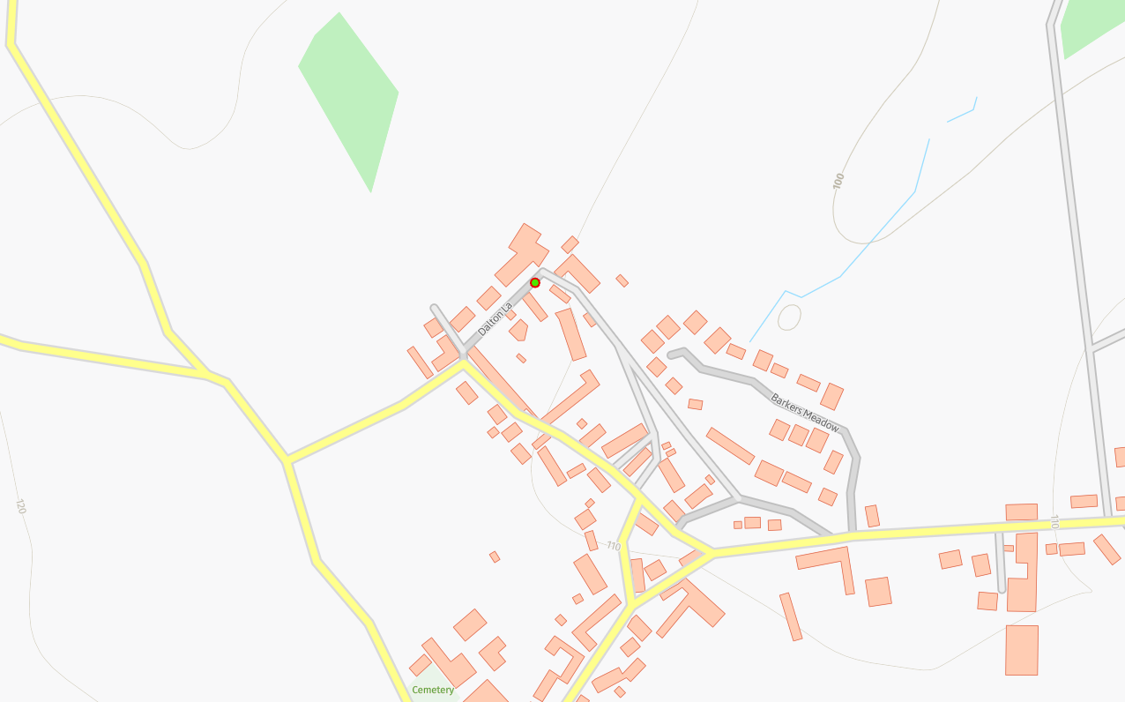
Status | Address | Feed Type | Surface | Pole Height | Pole Type | Owner | Latitude | Longitude
PLANNED | High Barn, Eaglesfield, CA13 0SD | UG | Grass | 9 | Medium | Fibrus | 54.6417950°N | -3.4038187°W

