Sheet1
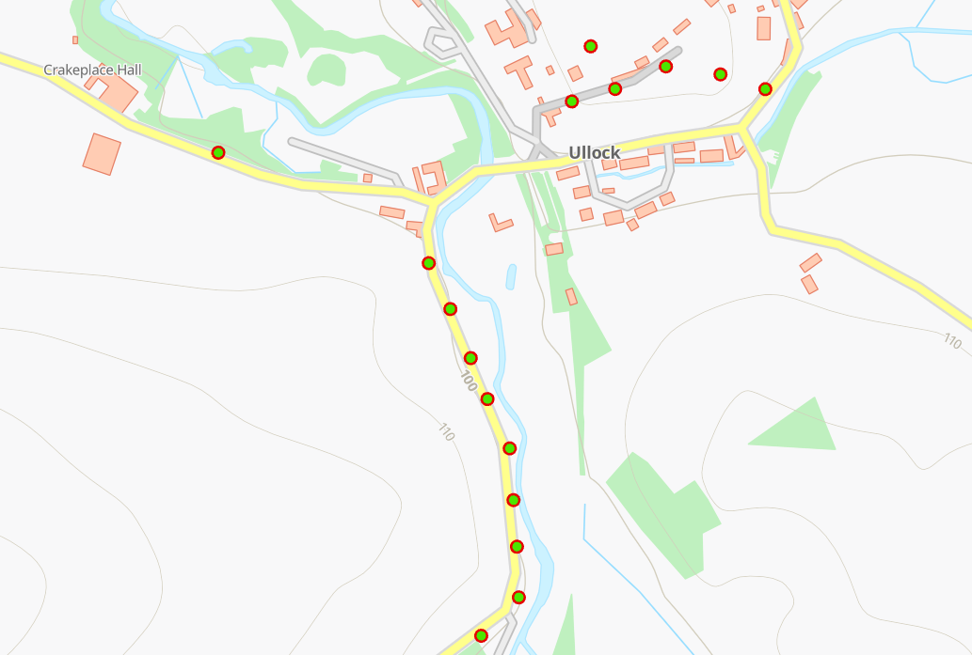
Status | Address | Feed Type | Surface | Pole Height | Pole Type | Owner | Latitude | Longitude | Easting | Northing
PLANNED | Windyhaugh, Ullock, CA14 4TP | OH | Grass | 9 | Medium | Fibrus | 54.6026294°N | -3.4288878°W | 307793 | 523989
PLANNED | Windyhaugh, Ullock, CA14 4TP | OH | Grass | 9 | Medium | Fibrus | 54.6019546°N | -3.4377066°W | 307222 | 523926
PLANNED | Windyhaugh, Ullock, CA14 4TP | OH | Grass | 9 | Medium | Fibrus | 54.6008989°N | -3.4342308°W | 307444 | 523804
PLANNED | Windyhaugh, Ullock, CA14 4TP | OH | Grass | 9 | Medium | Fibrus | 54.6005960°N | -3.4338800°W | 307466 | 523770
PLANNED | Windyhaugh, Ullock, CA14 4TP | OH | Grass | 9 | Medium | Fibrus | 54.6000965°N | -3.4334468°W | 307493 | 523714
PLANNED | Windyhaugh, Ullock, CA14 4TP | OH | Grass | 9 | Medium | Fibrus | 54.5997255°N | -3.4332826°W | 307503 | 523672
PLANNED | Windyhaugh, Ullock, CA14 4TP | OH | Grass | 9 | Medium | Fibrus | 54.5993446°N | -3.4328415°W | 307530 | 523629
PLANNED | Windyhaugh, Ullock, CA14 4TP | OH | Grass | 9 | Medium | Fibrus | 54.5987973°N | -3.4328223°W | 307530 | 523568
PLANNED | Windyhaugh, Ullock, CA14 4TP | OH | Grass | 9 | Medium | Fibrus | 54.5982114°N | -3.4327800°W | 307532 | 523503
PLANNED | Windyhaugh, Ullock, CA14 4TP | OH | Grass | 9 | Medium | Fibrus | 54.5976872°N | -3.4326571°W | 307539 | 523444
PLANNED | Windyhaugh, Ullock, CA14 4TP | OH | Grass | 9 | Medium | Fibrus | 54.5973762°N | -3.4333078°W | 307496 | 523411
PLANNED | Windyhaugh, Ullock, CA14 4TP | OH | Grass | 9 | Medium | Fibrus | 54.5971065°N | -3.4338903°W | 307458 | 523381
PLANNED | Windyhaugh, Ullock, CA14 4TP | OH | Grass | 9 | Medium | Fibrus | 54.6028790°N | -3.4296005°W | 307748 | 524018
PLANNED | Windyhaugh, Ullock, CA14 4TP | UG | Grass | 9 | Medium | Fibrus | 54.6029286°N | -3.4305426°W | 307687 | 524025
PLANNED | Windyhaugh, Ullock, CA14 4TP | OH | Grass | 9 | Medium | Fibrus | 54.6030156°N | -3.4317298°W | 307611 | 524036
PLANNED | Windyhaugh, Ullock, CA14 4TP | OH | Grass | 9 | Medium | Fibrus | 54.6026778°N | -3.4312303°W | 307642 | 523998

