Sheet1
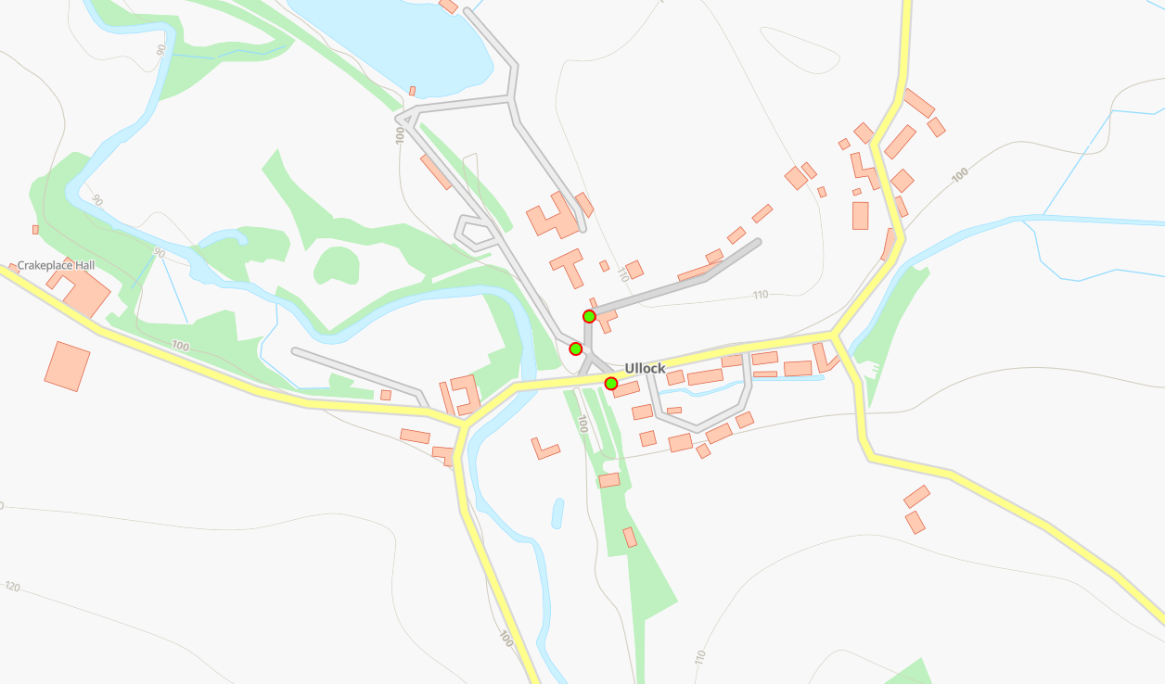
Status | Address | Feed Type | Surface | Pole Height | Pole Type | Owner | Latitude | Longitude
PLANNED | Dere Yani, Ullock, CA14 4TP | OH | Grass | 9 | Light | Fibrus | 54.6024396°N | -3.4325732°W
PLANNED | Dere Yani, Ullock, CA14 4TP | OH | Grass | 9 | Light | Fibrus | 54.6021864°N | -3.4327298°W
PLANNED | Dere Yani, Ullock, CA14 4TP | UG | Grass | 9 | Light | Fibrus | 54.6018965°N | -3.4322358°W

