Sheet1
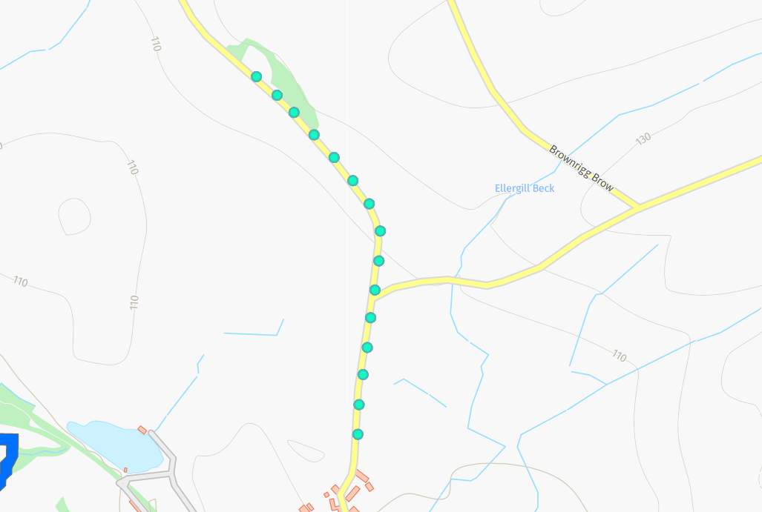
Status | Address | Feed Type | Surface | Pole Height | Pole Type | Owner | Latitude | Longitude | Easting | Northing
PLANNED | Croft House, Ullock, CA14 4TP | OH | Grass | 9 | Medium | Fibrus | 54.6110139°N | -3.4314928°W | 307644 | 524926
PLANNED | Croft House, Ullock, CA14 4TP | OH | Grass | 9 | Medium | Fibrus | 54.6106805°N | -3.4308400°W | 307685 | 524888
PLANNED | Croft House, Ullock, CA14 4TP | OH | Grass | 9 | Medium | Fibrus | 54.6103484°N | -3.4300804°W | 307734 | 524850
PLANNED | Croft House, Ullock, CA14 4TP | OH | Grass | 9 | Medium | Fibrus | 54.6099814°N | -3.4296401°W | 307761 | 524808
PLANNED | Croft House, Ullock, CA14 4TP | OH | Grass | 9 | Medium | Fibrus | 54.6097081°N | -3.4291497°W | 307792 | 524777
PLANNED | Croft House, Ullock, CA14 4TP | OH | Grass | 9 | Medium | Fibrus | 54.6092817°N | -3.4284936°W | 307834 | 524729
PLANNED | Croft House, Ullock, CA14 4TP | OH | Grass | 9 | Medium | Fibrus | 54.6088547°N | -3.4278910°W | 307872 | 524681
PLANNED | Croft House, Ullock, CA14 4TP | OH | Grass | 9 | Medium | Fibrus | 54.6084846°N | -3.4277177°W | 307882 | 524639
PLANNED | Croft House, Ullock, CA14 4TP | OH | Grass | 9 | Medium | Fibrus | 54.6078640°N | -3.4277494°W | 307879 | 524570
PLANNED | Croft House, Ullock, CA14 4TP | OH | Grass | 9 | Medium | Fibrus | 54.6073680°N | -3.4277321°W | 307879 | 524515
PLANNED | Croft House, Ullock, CA14 4TP | OH | Grass | 9 | Medium | Fibrus | 54.6068391°N | -3.4278738°W | 307868 | 524456
PLANNED | Croft House, Ullock, CA14 4TP | OH | Grass | 9 | Medium | Fibrus | 54.6064355°N | -3.4279131°W | 307865 | 524412
PLANNED | Croft House, Ullock, CA14 4TP | OH | Grass | 9 | Medium | Fibrus | 54.6059990°N | -3.4281115°W | 307851 | 524363
PLANNED | Croft House, Ullock, CA14 4TP | OH | Grass | 9 | Medium | Fibrus | 54.6052867°N | -3.4280332°W | 307855 | 524284
PLANNED | Croft House, Ullock, CA14 4TP | OH | Grass | 9 | Medium | Fibrus | 54.6048514°N | -3.4281248°W | 307848 | 524236

