Sheet1
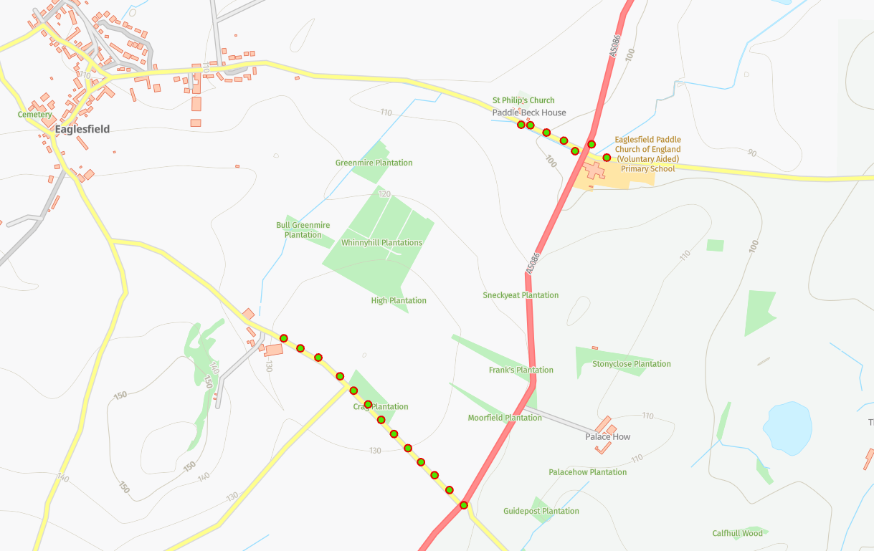
Status | Address | Feed Type | Surface | Pole Height | Pole Type | Owner | Latitude | Longitude | Easting | Northing
PLANNED | Cragg Bungalow, Eaglesfield, CA13 0SG | UG | Grass | 9 | Medium | Fibrus | 54.6383420°N | -3.3816459°W | 310923 | 527902
PLANNED | Cragg Bungalow, Eaglesfield, CA13 0SG | OH | Grass | 9 | Medium | Fibrus | 54.6386339°N | -3.3821693°W | 310890 | 527935
PLANNED | Cragg Bungalow, Eaglesfield, CA13 0SG | OH | Grass | 9 | Medium | Fibrus | 54.6388546°N | -3.3829077°W | 310843 | 527961
PLANNED | Cragg Bungalow, Eaglesfield, CA13 0SG | OH | Grass | 9 | Medium | Fibrus | 54.6389727°N | -3.3836030°W | 310798 | 527975
PLANNED | Cragg Bungalow, Eaglesfield, CA13 0SG | OH | Grass | 9 | Medium | Fibrus | 54.6390023°N | -3.3840188°W | 310771 | 527978
PLANNED | Cragg Bungalow, Eaglesfield, CA13 0SG | OH | Grass | 9 | Medium | Fibrus | 54.6382542°N | -3.3802998°W | 311010 | 527890
PLANNED | Cragg Bungalow, Eaglesfield, CA13 0SG | UG | Grass | 9 | Medium | Fibrus | 54.6385673°N | -3.3809819°W | 310966 | 527926
PLANNED | Cragg Bungalow, Eaglesfield, CA13 0SG | UG | Grass | 9 | Medium | Fibrus | 54.6294798°N | -3.3861836°W | 310611 | 526922
PLANNED | Cragg Bungalow, Eaglesfield, CA13 0SG | OH | Grass | 9 | Medium | Fibrus | 54.6298509°N | -3.3867887°W | 310573 | 526964
PLANNED | Cragg Bungalow, Eaglesfield, CA13 0SG | OH | Grass | 9 | Medium | Fibrus | 54.6302102°N | -3.3874329°W | 310532 | 527004
PLANNED | Cragg Bungalow, Eaglesfield, CA13 0SG | OH | Grass | 9 | Medium | Fibrus | 54.6305121°N | -3.3880751°W | 310491 | 527039
PLANNED | Cragg Bungalow, Eaglesfield, CA13 0SG | OH | Grass | 9 | Medium | Fibrus | 54.6308725°N | -3.3886206°W | 310457 | 527080
PLANNED | Cragg Bungalow, Eaglesfield, CA13 0SG | OH | Grass | 9 | Medium | Fibrus | 54.6312214°N | -3.3891657°W | 310422 | 527119
PLANNED | Cragg Bungalow, Eaglesfield, CA13 0SG | OH | Grass | 9 | Medium | Fibrus | 54.6315696°N | -3.3897700°W | 310384 | 527159
PLANNED | Cragg Bungalow, Eaglesfield, CA13 0SG | OH | Grass | 9 | Medium | Fibrus | 54.6319525°N | -3.3903558°W | 310347 | 527202
PLANNED | Cragg Bungalow, Eaglesfield, CA13 0SG | OH | Grass | 9 | Medium | Fibrus | 54.6322661°N | -3.3909787°W | 310307 | 527238
PLANNED | Cragg Bungalow, Eaglesfield, CA13 0SG | OH | Grass | 9 | Medium | Fibrus | 54.6326031°N | -3.3915629°W | 310270 | 527276
PLANNED | Cragg Bungalow, Eaglesfield, CA13 0SG | OH | Grass | 9 | Medium | Fibrus | 54.6331188°N | -3.3925483°W | 310208 | 527335
PLANNED | Cragg Bungalow, Eaglesfield, CA13 0SG | OH | Grass | 9 | Medium | Fibrus | 54.6333049°N | -3.3933051°W | 310159 | 527356
PLANNED | Cragg Bungalow, Eaglesfield, CA13 0SG | OH | Grass | 9 | Medium | Fibrus | 54.6335367°N | -3.3940635°W | 310111 | 527383

